GUI CGI SPEC
Xmind

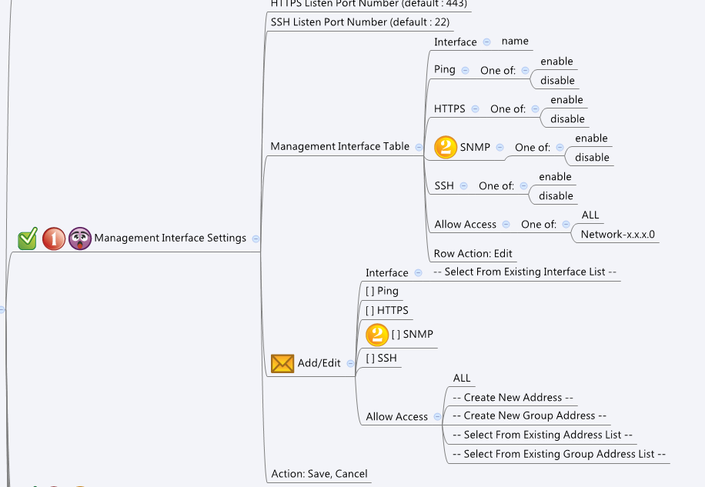

Behavior
# Limitations: Max Management Interface Table Size = 174

[UI Display Name] | [CGI Name] | [JSON Name] | [Description] | Range / Default Value / Units
Management Interface Page Settings |  |  |  | Table size: 174
HTTPS Listen Port Number | managementInterface.cgi | guiManagementInterface.httpsPort | int, user input field (range: 1~65535) | range:1~65535, default: 443
SSH Listen Port Number | managementInterface.cgi | guiManagementInterface.sshPort | int, user input field (range: 1~65535) | range:1~65535, default: 22

Management Interface Table Edit
N/A | managementInterface.cgi | guiManagementInterfaceTNum | int, number of rules
N/A | managementInterface.cgi | guiManagementInterfaceT.gid | unique numeric ID
Interface | managementInterface.cgi | guiManagementInterfaceT.interfaceId | unique numeric ID of a port, VLAN, LAN or WAN object. Get information from common_portIf_list, common_vlanIf_list, common_lanIf_list and common_wanIf_list cgi. Show its name on GUI.
Ping | managementInterface.cgi | guiManagementInterfaceT.pingEnabled | 0: Disabled, 1: Enabled | default: 1
HTTPS | managementInterface.cgi | guiManagementInterfaceT.httpsEnabled | 0: Disabled, 1: Enabled | default: 1
SNMP | managementInterface.cgi | guiManagementInterfaceT.snmpEnabled | 0: Disabled, 1: Enabled | default: 1
SSH | managementInterface.cgi | guiManagementInterfaceT.sshEnabled | 0: Disabled, 1: Enabled | default: 1
Allow Access | managementInterface.cgi | guiManagementInterfaceT.accessAddressId | 0: All, Other Numbers: unique numeric ID of an address object or group address object. Get information from common_addr_list and common_gAddr_list cgi. Show its name on GUI. | default: 0
N/A | managementInterface.cgi | guiManagementInterfaceT.cgiAction | 0: none, 1: add, 2: update, 3: delete

Common Port
N/A | common_ethPhyIf_list.cgi | guiEthPhyIfTNum | int
N/A | common_ethPhyIf_list.cgi | guiEthPhyIfT.gid | int, unique id of zone object
N/A | common_ethPhyIf_list.cgi | guiEthPhyIfT.name | GE1~GE8
N/A | common_ethPhyIf_list.cgi | guiEthPhyIfT.type | 0: LAN 1:WAN, 2: Bridged
Common LAN
N/A | common_lanIpIf_list.cgi | guiLanIpIfTNum | int
N/A | common_lanIpIf_list.cgi | guiLanIpIfT.gid | int, unique id of zone object
N/A | common_lanIpIf_list.cgi | guiLanIpIfT.name | All viewable ASCII code except (whitespace) ‘ ` “ % ?
N/A | common_lanIpIf_list.cgi | guiLanIpIfT.userDefined | 0: not user defined, 1: user defined
N/A | common_lanIpIf_list.cgi | guiLanIpIfT.ip | IPv4 address
N/A | common_lanIpIf_list.cgi | guiLanIpIfT.netmask | IPv4 netmask
Common VLAN
N/A | common_vlanIpIf_list.cgi | guiVlanIpIfTNum | int
N/A | common_vlanIpIf_list.cgi | guiVlanIpIfT.gid | int, unique id of zone object
N/A | common_vlanIpIf_list.cgi | guiVlanIpIfT.name | All viewable ASCII code except (whitespace) ‘ ` “ % ?
N/A | common_vlanIpIf_list.cgi | guiVlanIpIfT.type | 0: LAN 1:WAN, 2: Bridged
N/A | common_vlanIpIf_list.cgi | guiVlanIpIfT.userDefined | 0: not user defined, 1: user defined
N/A | common_vlanIpIf_list.cgi | guiVlanIpIfT.ip | IPv4 address
N/A | common_vlanIpIf_list.cgi | guiVlanIpIfT.netmask | IPv4 netmask
Common WAN
N/A | common_wanIpIf_list.cgi | guiWanIpIfTNum | int
N/A | common_wanIpIf_list.cgi | guiWanIpIfT.gid | int, unique id of zone object
N/A | common_wanIpIf_list.cgi | guiWanIpIfT.name | All viewable ASCII code except (whitespace) ‘ ` “ % ?
N/A | common_wanIpIf_list.cgi | guiWanIpIfT.status | 0: down, 1: up
N/A | common_wanIpIf_list.cgi | guiWanIpIfT.ip | IPv4 address
N/A | common_wanIpIf_list.cgi | guiWanIpIfT.netmask | IPv4 netmask

Common Address
AddrTNum | common_addr_list.cgi | guiAddrTNum | int
MacTNum | common_addr_list.cgi | guiMacTNum | int
IPTNum | common_addr_list.cgi | guiIpTNum | int
DomainNum |  |  | Not available in this phase
AddrT
gid | common_addr_list.cgi | guiAddrT.gid | int
name | common_addr_list.cgi | guiAddrT.name | All viewable ASCII code except (whitespace) ‘ ` “ % ?
type | common_addr_list.cgi | guiAddrT.type | int: 1: host, 2: network, 3: range, 4: mac
userDefined | common_addr_list.cgi | guiAddrT.userDefined | 0/1
startIP | common_addr_list.cgi | guiAddrT.startIp | ipaddr
endIP | common_addr_list.cgi | guiAddrT.endIp | ipaddr
netmask | common_addr_list.cgi | guiAddrT.netmask | netmask
mac | common_addr_list.cgi | guiAddrT.mac | mac
domain |  |  | Not available in this phase

Common Group Address
gAddrTNum | common_gAddr_list.cgi | guiGAddrTNum | int
gAddrT
gid | common_gAddr_list.cgi | guiGAddrT.gid | int
name | common_gAddr_list.cgi | guiGAddrT.name | All viewable ASCII code except (whitespace) ‘ ` “ % ?
userDefined | common_gAddr_list.cgi | guiGAddrT.userDefined | 0/1
num | common_gAddr_list.cgi | guiGAddrT.num | int
idList | common_gAddr_list.cgi | guiGAddrT.idList | gid list with separator ";" (ex. "1001;2002;3003" )

JSON String
managementInterface.cgi
## GET & POST methods ##
{
"httpsPort": 443,
"sshPort": 22,
"guiManagementInterfaceTNum": 2,
"guiManagementInterfaceT": [
{
"gid": 777,
"interfaceId": 1000,
"pingEnabled": 0,
"httpsEnabled": 1,
"snmpEnabled": 1,
"sshEnabled": 1,
"accessAddressId": 0,
"cgiAction": 0
},
{
"gid": 778,
"interfaceId": 7000,
"pingEnabled": 1,
"httpsEnabled": 1,
"snmpEnabled": 1,
"sshEnabled": 1,
"accessAddressId": 0,
"cgiAction": 0
}
]
}
common_ethPhyIf_list.cgi
## GET for get previous settings ##
{
"guiEthPhyIfTNum":"2", "guiEthPhyIfIfT":[{"gid":"1000", "name":"GE1", "type":"0"}, {"gid":"1001", "name":"GE2", "type":"1"}]
}
## NO POST Method

common_lanIpIf_list.cgi
## GET for get previous settings ##
{
"guiLanIpIfTNum":"2", "guiLanIpIfT":[{"gid":"7000", "name":"LAN1", "userDefined":"1", "ip":"9.9.9.9", "netmask":"255.0.0.0"}, {"gid":"7001", "name":"LAN2", "userDefined":"1", "ip":"10.10.10.10", "netmask":"255.0.0.0"}]
}
## NO POST Method

common_vlanIpIf_list.cgi
## GET for get previous settings ##
{
"guiVlanIpIfTNum":"2", "guiVlanIpIfT":[{"gid":"8000", "name":"VLAN1", "type":"0", "userDefined":"1", "ip":"192.168.2.1", "netmask":"255.255.255.0"}, {"gid":"8001", "name":"VLAN2", "type":"2", "userDefined":"1", "ip":"192.168.3.1", "netmask":"255.255.255.0"}]
}
## NO POST Method

common_wanIpIf_list.cgi
## GET for get previous settings ##
{
"guiWanIpIfTNum":"2", "guiWanIpIfT":[{"gid":"9000", "name":"WAN1", "status":"1", "ip":"9.9.9.9", "netmask":"255.0.0.0"}, {"gid":"9001", "name":"WAN2", "status":"1", "ip":"10.10.10.10", "netmask":"255.0.0.0"}]
}
## NO POST Method

## cgi name ##
common_addr_list.cgi
## GET methods ##
{
"guiAddrTNum": 1,
"guiMacTNum": 1,
"guiIpTNum": 0,
"guiAddrT": [
{
"gid": 0,
"name": "DEFAULT_MAC",
"userDefined": 0,
"type": 4,
"startIp": "",
"endIp": "",
"netmask": "",
"mac": "00:01:BB:CC:DD:02"
}
]
}

## cgi name ##
common_gAddr_list.cgi
## GET methods ##
{
"guiGAddrTNum": 1,
"guiGAddrT": [
{
"gid": 19999,
"name": "GADDR1",
"userDefined": 0,
"num": 0,
"idList": "10;20;"
}
]
}

